Sheet1
Record of Work Performed in 2025

NURSING & VITAL RECORDS DIVISION |  | HEALTH EDUCATION |  | FOOD SAFETY
Total Conferences / Trainings | 40 | Narcan Trainings | 10 | Permits Issued | 577
Total Community Events | 52 | Narcan Kits distributed | 246 | Routine Inspections | 911
 |  | Tobacco Education (youth & adult) | 17 | Pre-Opening Inspections | 75
VITAL RECORDS |  |  |  | Re-inspections & Complaint investigations | 65
Certified Birth Certificates Issued | 1127 | COMMUNITY OUTREACH |  | Fire Investigations/Semi Accidents | 5
New Birth | 271 | MEDICAL RESERVE CORP |  | Food Plan Review | 67
Home Births | 0 | Volunteer Hours | 40 | Civil Penalties | 90
Certified Death Certificates Issued | 5609 | Volunteer Trainings / Meetings/ Exercises | 12
New Deaths | 533 |  |  | VECTOR
Genealogy - Searches | 2 | ENVIRONMENTAL DIVISION |  | Mosquito Complaints / Education | 18
Paternity Affidavits | 2 |  |  | Larvicide Treatment | 51
Amendments | 9 | HOUSING & ENVIRONMENTAL COMPLAINTS
 |  | Inspections | 100 | PUBLIC & SEMI-PUBLIC POOLS
IMMUNIZATIONS |  | Dumpster & Roll-Off Placements | 6 | Swimming Pool Inspections | 574
Total Immunizations Given | 2,286 |  |  | Swimming Pool Permits | 74
Children VFC Doses | 1685 | TATTOO, PIERCING, & BODY MODIFICATION |  | Swimming Pool Plan Review | 2
Adult 317 Doses | 96 | Tattoo Plan Review | 1 | Pools Closed | 21
Private Purchased Vaccines | 1 | Tattoo Establishment Permit | 7 | Water Reports | 2049
Total Immunization Patients | 1,247 | Tattoo Permit per Artist | 11
Pneumonia Vaccines | 27 | Tattoo Temporary Permit per Artist | 0
All Influenza Adult Vaccines | 403 | Tattoo Inspection | 23
Covid Vaccination Doses | 88 |  |  | PUBLIC HEALTH PREPAREDNESS
 |  | RESIDENTIAL WATER WELLS |  | Conference Calls/Meeting | 65
PUBLIC HEALTH NURSING |  | Well/Pump Permits | 192 | Drills/Clinics/Deliveries/Field Activities | 7
TB Skin Tests (PPD) | 158 | Water Samples | 2 | Projects | 29
Elevated Blood Lead Level | 43 | Driller Licenses | 104 | Conferences/Trainings | 21
Head Lice Checks | 0 |  |  | Reports | 0
Pregnancy Tests | 4 | RESIDENTIAL ONSITE SEWAGE SYSTEMS
Positive Pregnancy Tests | 1 | Onsite System Permits | 83 | MISCELLANEOUS ENVIRONMENTAL ACTIVITIES
School Nurses Meetings | 5 | Installer Licenses | 37 | Letters/Notices Reports | 37
Safe Sleep Survival Kits | 33 | Soil Test Evaluated | 125 | Trainings/Meetings/Conferences Attended | 243
Lead Tests | 13 | Tile Inspections | 116 | Presentations Made & Trainings Given | 5
 |  | Engineered Plot Plan Reviewed | 92 | Lead Inspections & Risk Assessments | 5
COMMUNICABLE DISEASE REPORTS |  | Onsite System Inspections | 115 | Animal Bite Reports | 175
Communicable Disease Reports | 288 | Pre-Installation Meeting | 26 | Sharps Containers Distributed | 629
 |  | Letters of Requirements | 99 | Sharps Containers Disposals | 723
STD PROGRAM |  | Onsite System Contractor Testing | 1 | Property Research | 541
Total STD Patients | 106
Total STD Vaccinations | 12
Total STD Tests Performed | 253

HEALTH FUND |  | HEALTH DEPARTMENT
Personal Services | $112,922.01
Operating Expenses | $128,818.59 |  |  | BOONE COUNTY HEALTH DEPARTMENT ANNUAL REPORT
TOTAL | $241,740.60 | HEALTH OFFICER
 |  | Herschell Services Jr., M.D.
2025 REVENUE HEALTH FUND |  | Crystal Jones, M.D.
Total Vital Records Services | $87,200.00
Children VFC / Adult 317 Injection Fees | $4,600.00 | NURSING & VITAL RECORDS DIVISION
Self Pay Injection Fees | $20.00 | Administrator /Nursing Director |  | 2025
Self Pay Vaccine Cost | $50.00 | Business Manager
All Insurance Reimbusement (Covid & Vaxcare) |  | Vital Records Registrar
PPD Skin Tests | $3,950.00 | Immunization Coordinator
Onsite System Permits | $7,800.00 | Public Health Nurse (2)
Onsite System Plan Review | $5,850.00 | Health Educator
Onsite Installer License | $925.00 | Data Entry (part time)
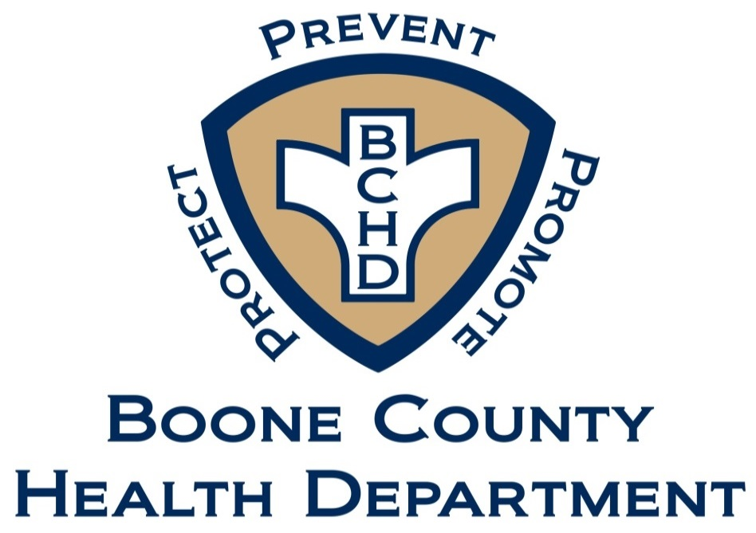
Water Well Permits | $8,190.00 | Intern
Well Drillers License | $1,040.00
Food Permits/ Establishment Plan Review | $117,885.05 | ENVIRONMENTAL DIVISION
Pool Permits/Plan Review | $10,400.00 | Environmental Director
Tattoo Plan Reviews & Permit Fees | $3,025.00 | Environmental Health Specialist (3)
Other - Copies, Notary & Exceptional Fees | $263.30 | Food Safety Specialist (3)
TOTAL | $251,198.35 | Food Safety Specialist (part time)
Certified Levy | $658,335.00 | Office Manager
GRAND TOTAL HEALTH FUND | $909,533.35 | Preparedness Liaison (part time)
 |  | Pool Inspector/Intern
GRANT/ADDITIONAL FUNDING SOURCES
Health First Indiana Fund - Balance | $399,361.86 | 2025 BOONE COUNTY HEALTH BOARD MEMBERS
Local Health Maintenance - Balance | $124,346.53 | Tricia Wright - President
Preparedness Monies (PHEP) includes- |  | Michael Reynolds - Vice President
CRI, PHERD, MRC, Morgue & 2016 Ebola - Balances- | $21,537.17 | Paulette Berger
Community Preparedness - Balance | $3,237.09 | John Casey
Tobacco Free Boone County Grant - Balance | $2,963.37 | Crystal Jones
Gift Fund/Donations - Balance | $3,532.07 | Lacey Henson
Herschell Servies Jr.,M.D. / Crystal Jones, M.D. Health Officer
Covid grant monies - balance | $32,349.47 | John Cowan
School Resource balance | $199,837.61
Immunization Grant - Reimbursable | $0.00
Sharp's program - Balance | $3,157.71
TOTAL | $790,322.88

TOTAL GRANT EXPENDITURES
Personal Services & Operating Expenses | $1,635,434.79

DEPOSITED INTO CORONER'S FUND | $14,022.50

